Print Page 1
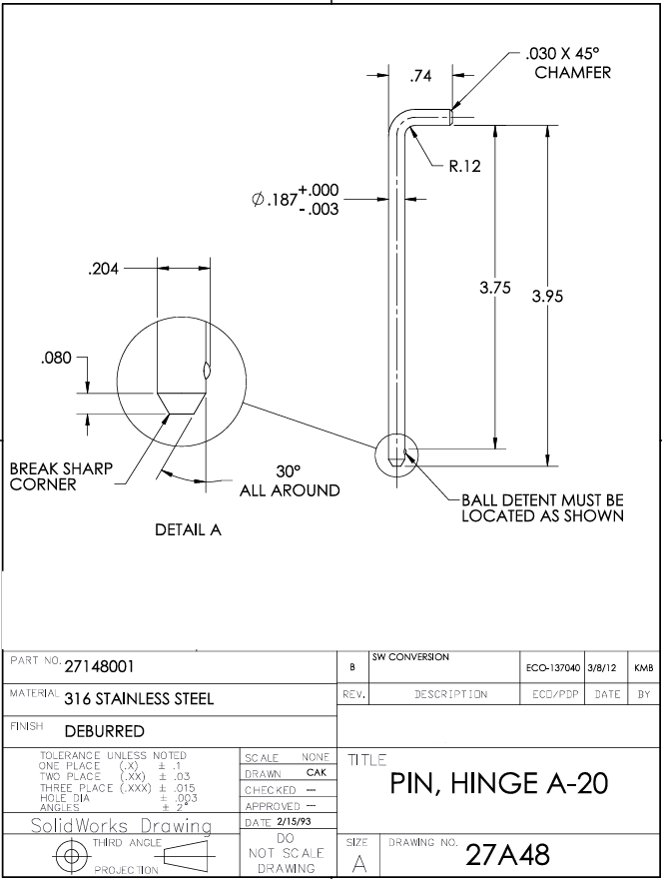
6a
6b
1

5
4

9
7
3
2

9

8

